Information


Members: | Subject:
 |  | Marketing Research Methods
Preetha Patil
25PGDM0061 | Professor:
 |  | Dr.Vishnu Prasad

Bank Variables
Regression with t-Test

Interpretation:
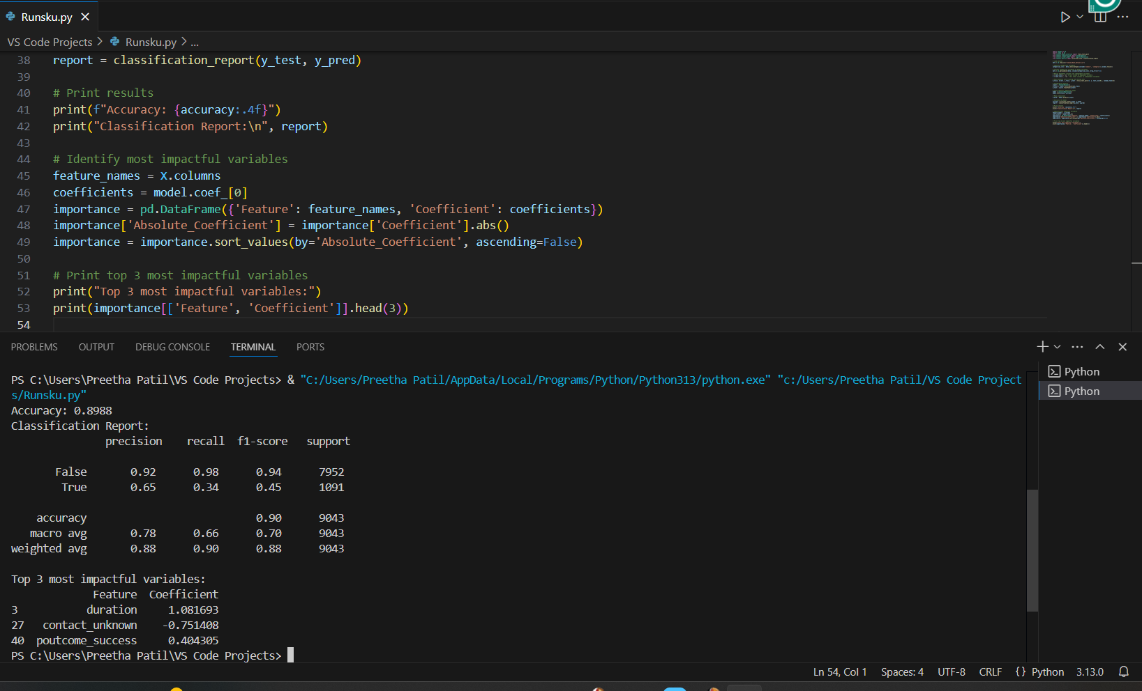
1. Accuracy & Classification Report:
Overall accuracy: 89.88%, which is quite high.
Precision & Recall for "False" (negative outcome):
Precision: 92% (When the model predicts "False," it's correct 92% of the time.)
Recall: 98% (It correctly identifies 98% of actual "False" cases.)
Precision & Recall for "True" (positive outcome):
Precision: 65% (When the model predicts "True," it's correct 65% of the time.)
Recall: 34% (Only 34% of actual "True" cases are identified correctly.)
Imbalance Issue: The model is much better at predicting "False" outcomes, meaning it struggles with correctly identifying "True" cases (i.e., people who responded positively to the campaign).

2. Top 3 Most Impactful Variables:
1. duration (Coefficient: 1.0817)
Interpretation: The longer a call lasts, the higher the likelihood of a positive campaign outcome.
Reasoning: If a customer stays on the call for a longer duration, they may be more interested in the offer.
2. contact_unknown (Coefficient: -0.7514)
Interpretation: If the contact type is "unknown," the probability of success decreases.
Reasoning: Customers who are contacted through unknown means may be less engaged or interested.
3. poutcome_success (Coefficient: 0.4043)
Interpretation: If the outcome of a previous marketing campaign was successful, the chances of a positive response in the current campaign increase.

Reasoning: Customers who previously accepted offers are more likely to do so again.

Telco Customer Churn
Telco Customer Churn (Cox Hazards Model)

Churn Analysis Summary
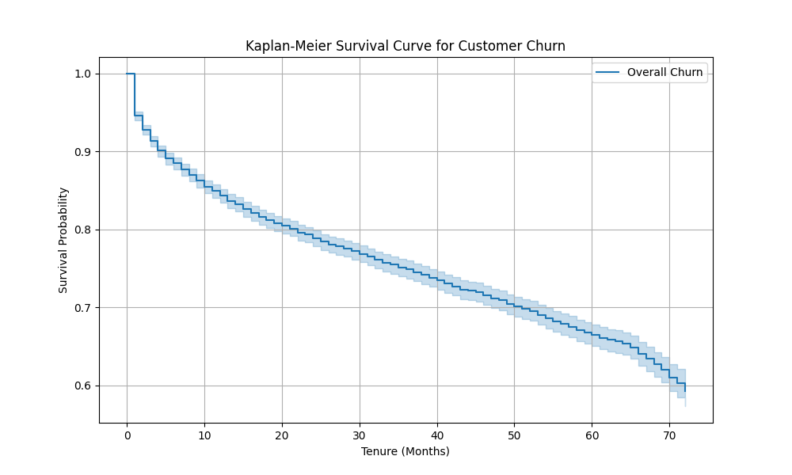
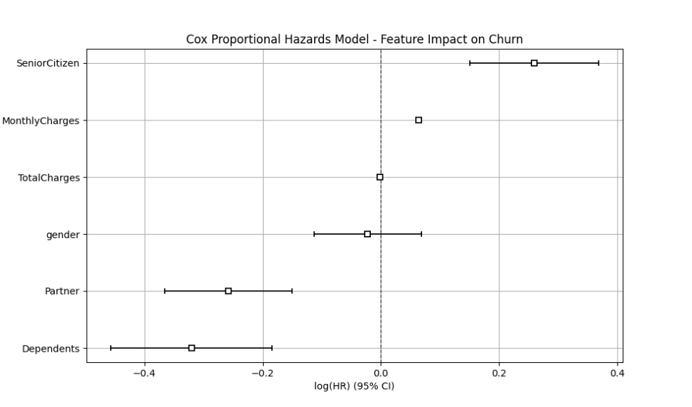
1. Kaplan-Meier Survival Curve (Churn Over Tenure)
Churn is highest in the first few months, then stabilizes.
Action: Focus on early retention strategies like onboarding incentives.

2. Cox Proportional Hazards Model (Feature Impact on Churn)
Feature | Effect on Churn | Key Insight
SeniorCitizen | ↑ 30% risk | Target with senior-friendly offers.
Partner | ↓ 23% risk | Single customers churn more—engage them.
Dependents | ↓ 27% risk | Family-tied customers are more loyal.
MonthlyCharges | ↑ Churn risk | High-paying customers need better pricing plans.
Gender & TotalCharges | No significant impact | Not major churn drivers.
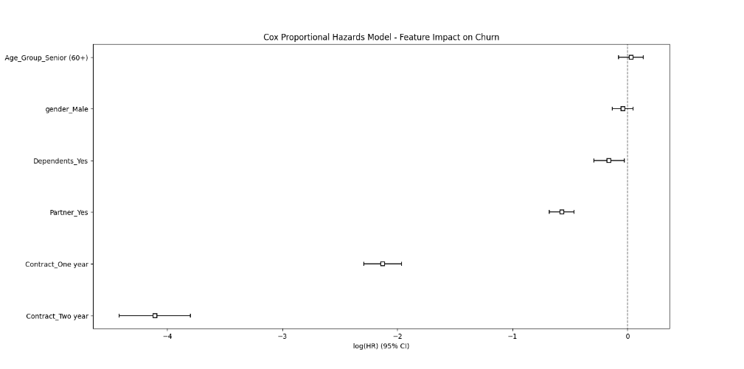
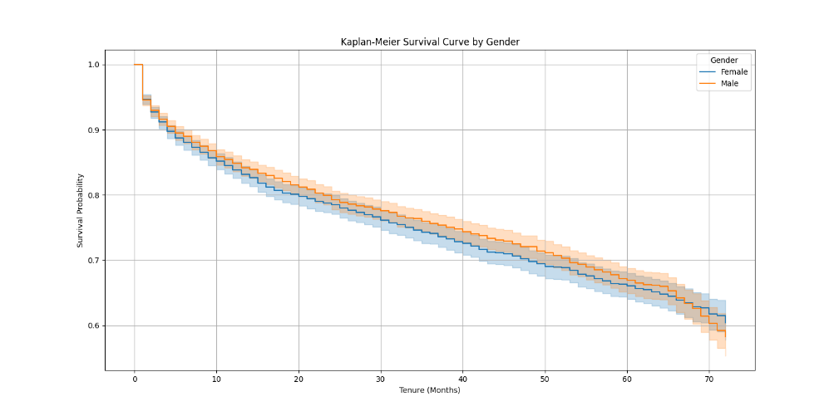
1. Gender is NOT a strong churn predictor (HR ≈ 1): No major churn difference between male and female customers.

2. Senior Citizens are 30% more likely to churn: Consider senior-specific retention programs like customized offers or improved customer support.

3. Having a Partner/Dependents reduces churn: Customers with family ties are more stable. Target single customers with engagement strategies.

4. Higher Monthly Charges increase churn: Consider tiered pricing models or loyalty discounts for high-paying customers.

5. Total Charges have no significant effect: Churn is driven more by recurring monthly costs than lifetime spending.

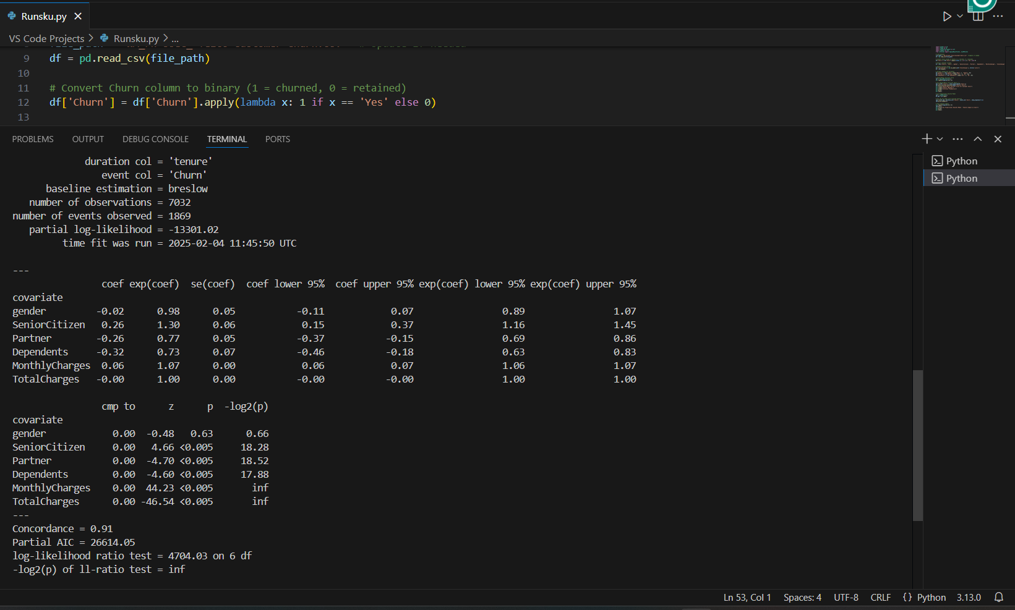
3. Model Performance Metrics
Concordance = 0.91 → The model predicts churn 91% correctly, meaning it has high predictive power.
Log-likelihood ratio test p-value < 0.005 → Model is statistically significant.
AIC = 26614.05 → A lower AIC would indicate a better model; potential improvements include adding more features.

Youtube Comments Analysis
Youtube Comments scrapping & Analysis

Channel : Weeknd (Musician & Artist), latest 25 videos with approx.100 comments each
Comments scrapped and saved : | weeknd_youtube_comments.csv

Sentiment Analysis (positive, negative, neutral) |  | Content Analysis: Word Cloud visualization | Topic Modeling using LDA
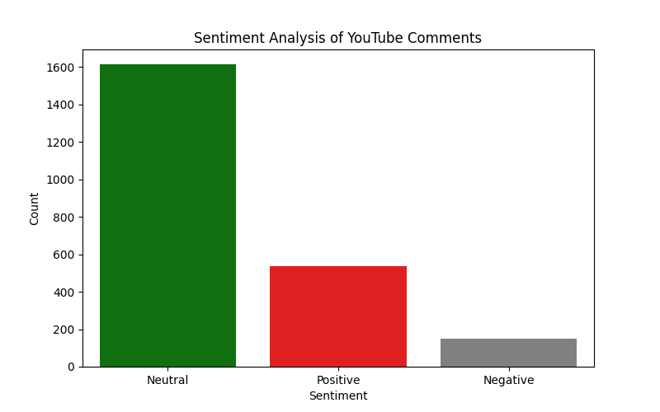
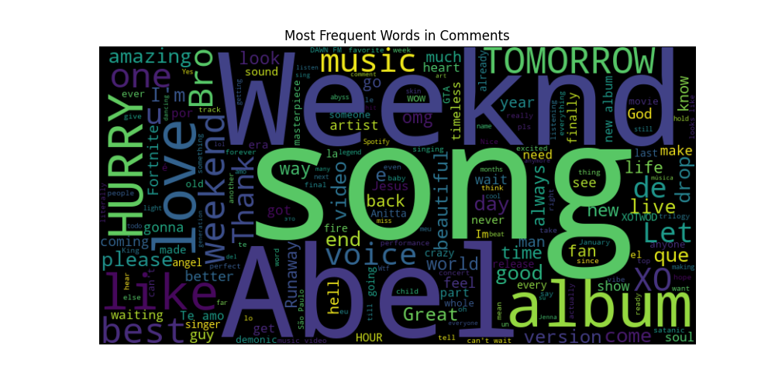
 |  |  | Topic 1: ['video', 'life', 'god', 'voice', 'omg', 'music', 'weeknd', 'thank', 'tomorrow', 'hurry']
 |  |  | Topic 2: ['days', 'new', 'runaway', 'wow', 'amo', 'te', 'abel', 'wait', 'que', 'album']
 |  |  | Topic 3: ['hell', 'xotwod', 'let', 'paulo', 'does', 'waiting', 'anitta', 'looks', 'weekend', 'like']
 |  |  | Topic 4: ['coming', 'songs', 'come', 'great', 'good', 'amazing', 'song', 'weeknd', 'love', 'abel']
 |  |  | Topic 5: ['version', 'abel', 'drop', 'xo', 'just', 'bro', 'album', 'best', 'weeknd', 'song']
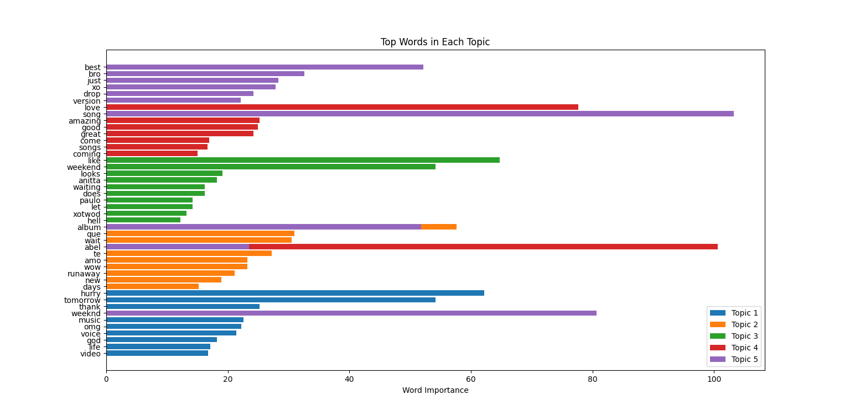

Analysis |  | Analysis
High neutral sentiment → Passive engagement; opportunity to convert viewers into active fans. |  | Top keywords: "Weeknd," "song," "album," "music" → Strong brand association with artist and releases.
Strong positive sentiment → Admiration, excitement, and anticipation; leverage with exclusive content. |  | Anticipation signals: "hurry," "waiting," "drop" → Fans eagerly await new releases; capitalize with teaser campaigns. | Analysis
Low negative sentiment → Minimal dissatisfaction; maintain brand trust through positive interactions. |  | Engagement opportunities: Interactive Q&As, countdowns, and exclusive previews to boost excitement. | Topic Modeling:
 |  |  | Topic 1: Emotional connection (keywords: life, god, voice, music) → Content around personal and artistic impact.
 |  |  | Topic 2: Album anticipation (keywords: new, wait, album) → Build hype with early access, pre-release snippets.
 |  |  | Topic 3: Fan interactions (keywords: xotwod, let, waiting) → Strengthen fan community with engagement campaigns.
 |  |  | Topic 4: Song reception (keywords: great, love, song, weeknd) → Highlight positive feedback in marketing.
 |  |  | Topic 5: Exclusive content (keywords: drop, version, best, song) → Release special editions and limited content.

